CG4269
Gene family | Gene | # mature peptides ≥ 10AA | Imd pathway | Toll pathway | Other pathway | History | Activity in vitro | Role in vivo | Notes | Found in | Mutations | Name | Net charge
CG4269 | CG4269 | 1 | [1][2] | [1] |  | Arthropoda!!! |  |  | Cysteine-rich, but not direct Dmel\Def homologue, Mosquitos are furin-cleaved (RXKR, HIRR) while other insects just have a DPase site after the SigPep. Does not seem to be known in B. mori: https://pubs.rsc.org/en/content/articlelanding/2020/ra/c9ra06864c | Found in Ixodes!!! Maybe also in Penaeus? But shrimp out of frame? Ixodes more distantly related from Drosophila actually (600ma), whereas Penaeus = 530ma. This gene is PRE-CAMBRIAN!!! | Two Minos insertions exist that disrupt both -RA and -RB forms…? Also good sgRNA predicted with high stringency by Jbrowse annotations FlyBase | Arthropodin (Arpn) | -6.3 at pH = 7
 |  |  |  |  |  |  |  |  |  | Penaeus two explanations for off-frame: 1) recent pseudogene. 2) incorrect assembly/mRNA annotation.
 |  |  |  |  |  |  |  |  |  | Note for Penaeus: has sigpep and DPase site upstream, and frameshifted has CG4269 downstream.

Schlamp 2021
FBgn | pvalue.t1.t0 | pvalue.t2.t0 | pvalue.t4.t0 | pvalue.t5.t0 | pvalue.t6.t0 | pvalue.t8.t0 | pvalue.t10.t0 | pvalue.t12.t0 | pvalue.t14.t0 | pvalue.t16.t0 | pvalue.t20.t0 | pvalue.t24.t0 | pvalue.t30.t0 | pvalue.t36.t0 | pvalue.t42.t0 | pvalue.t48.t0 | Notes | Imd/Toll | Notes2
FBgn0034741 | 0.11840856615 | 0.041151791036 | 0.13430409604 | 0.012474521352 | 0.10697300213 | 0.41556517442 | 0.074595550624 | 0.073949261956 | 0.039749030609 | 0.17017317016 | 0.18704420967 | 0.93481392158 | 0.36819818234 | 0.16187066289 | 0.66263063477 | 0.59622906986 | CG4269 | <- Toll regulated in De Gregorio, and Toll/Imd in Troha

De Gregorio
Gene name | CT | NAME | drosophila Oregon R uninfected male adult | drosophila Oregon R naturally infected 720 fungus male adult | drosophila Oregon R naturally infected 1440 fungus male adult | drosophila Oregon R naturally infected 2880 fungus male adult | drosophila Oregon R naturally infected 5760 fungus male adult | drosophila Oregon R prick infected 90 bacteria male adult | drosophila Oregon R prick infected 180 bacteria male adult | drosophila Oregon R prick infected 360 bacteria male adult | drosophila Oregon R prick infected 720 bacteria male adult | drosophila Oregon R prick infected 1440 bacteria male adult | drosophila Oregon R prick infected 2880 bacteria male adult | drosophila Oregon R spaetzle uninfected male adult | drosophila Oregon R spaetzle naturally infected 2880 fungus male adult | drosophila Oregon R spaetzle naturally infected 5760 fungus male adult | drosophila Oregon R spaetzle prick infected 90 bacteria male adult | drosophila Oregon R spaetzle prick infected 180 bacteria male adult | drosophila Oregon R spaetzle prick infected 360 bacteria male adult | drosophila Oregon R relish uninfected male adult | drosophila Oregon R relish prick infected 90 bacteria male adult | drosophila Oregon R relish prick infected 180 bacteria male adult | drosophila Oregon R relish prick infected 360 bacteria male adult | drosophila Oregon R relish spaetzle uninfected male adult | drosophila Oregon R relish spaetzle prick infected 90 bacteria male adult | drosophila Oregon R relish spaetzle prick infected 180 bacteria male adult | drosophila Oregon R relish spaetzle prick infected 360 bacteria male adult | drosophila Oregon R toll10b uninfected male adult
CG4269 | CT13974 | CT13974 CG4269 CG4269 aa length 102 | 0 | -0.23 | 0.634 | -0.055 | 0.25 | 2.176 | 2.391 | 2.351 | 2.005 | 1.405 | 2.034 | -1.206 | -0.155 | -1.199 | 0.612 | 0.888 | 0.57 | -2.119 | -0.114 | -0.84 | -0.451 | -1.106 | -0.767 | -0.791 | -1.242 | -0.178

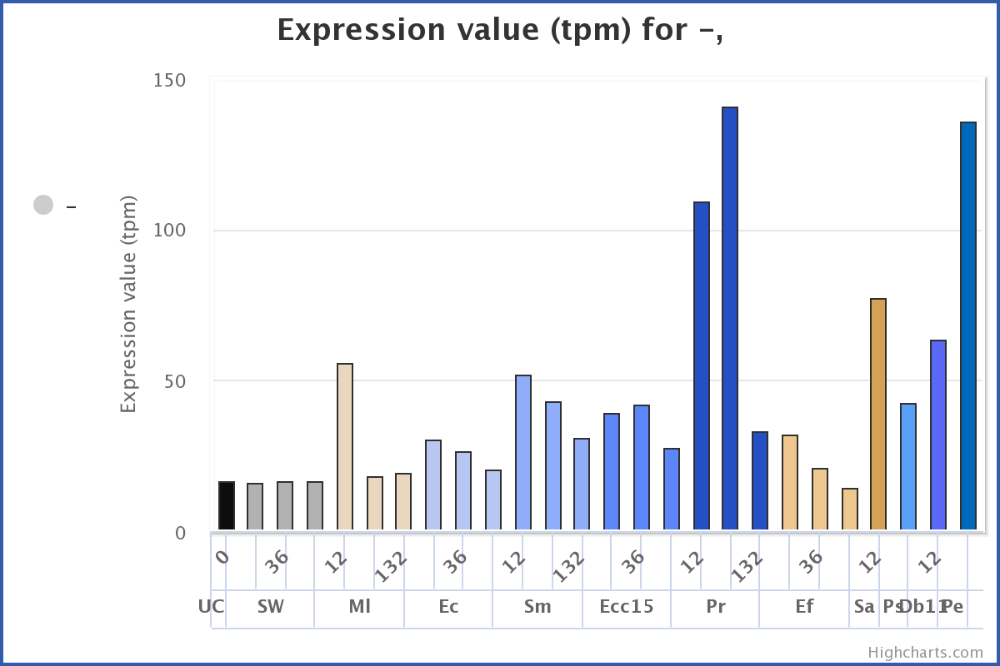
Troha FlySick
 |  |  |  |  |  |  |  | PROMOTER NOTES:
 |  |  |  |  |  |  |  | There are two transcripts with different 5'UTRs.
 |  |  |  |  |  |  |  | One promoter has lots of putative Rel binding sites, but the other has lots of putative Dif binding sites!
 |  |  |  |  |  |  |  | Therefore -RA vs. -RB might be regualted by Imd or Toll, but each transcript would be activated in a distinct fashion!

 |  |  |  |  |  |  |  | Net charge: | -6.3 at pH = 7

 |  |  |  |  |  |  |  | Cysteine-rich

